Table 1
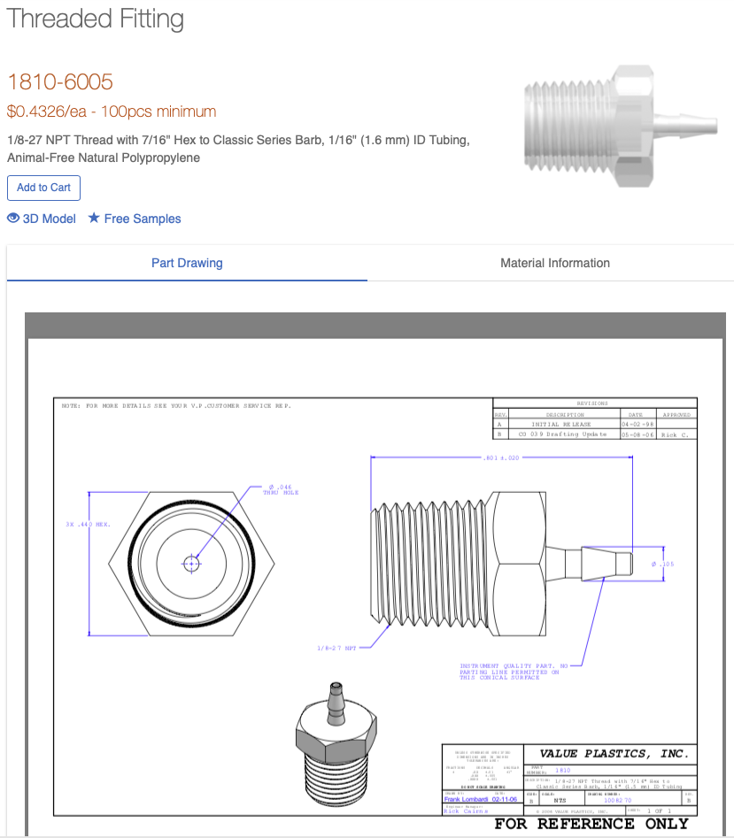
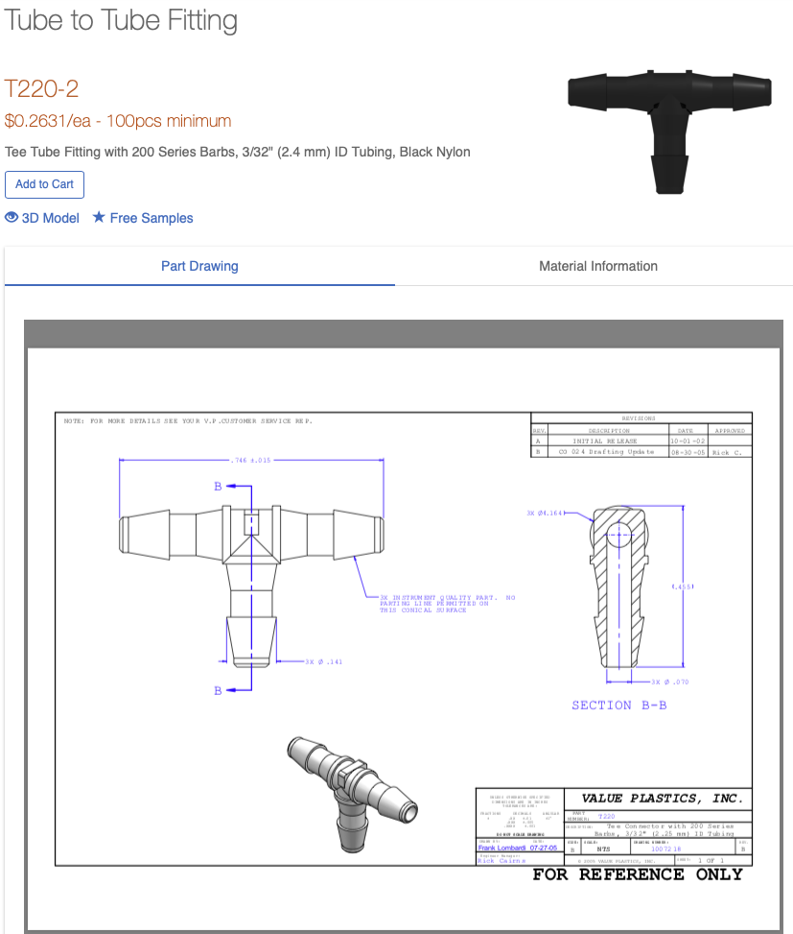
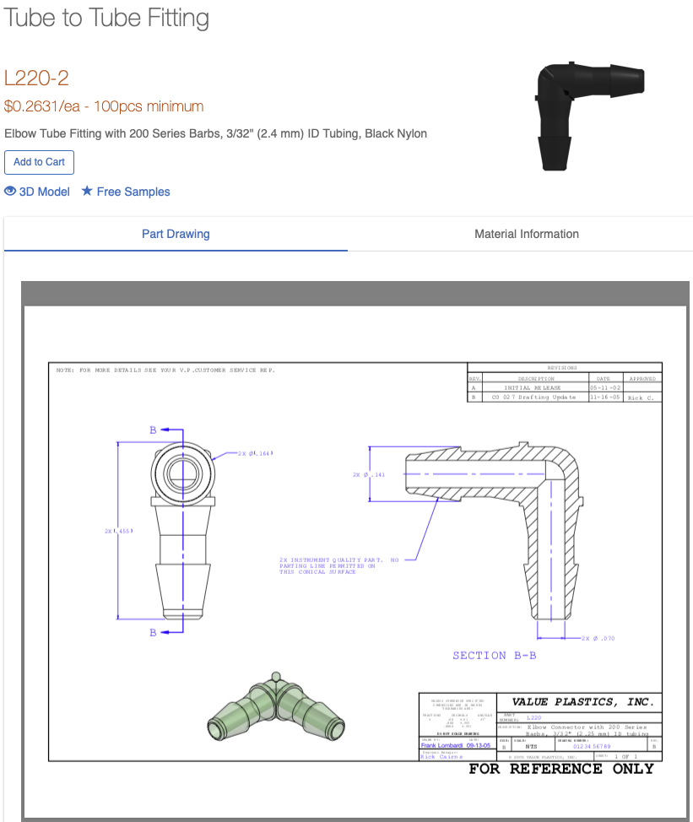
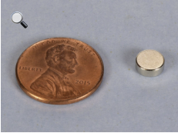
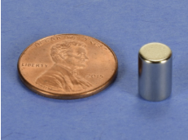
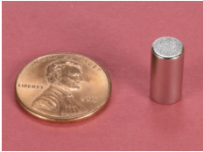
Part No. Item Description |  | SKU | Cost/Unit [$) | Quantity | Cost [$) | Supplier | Info
1 | Raspbeny Pi2 model B | 9SY1948 | 35.00 | 1 | 35 | Newark Element14 | already in stock
2 | Micro SD Card 8GD SD10 | SDSDQUAN-008G-G4A | 9.89 | 1 | 9.89 | Amazon.com | already in stock
3 | Raspbeny PiTouchscreen | 49Y1712 | 60.00 | 1 | 60.00 | Newark Element14 | mouser
4 | 7nm collimating laser diode lens |  | 1.54 | 1 | 1.54 | Amazon.com | amazon.de, Q-BAIHE 5 Stück x Kollimierlinse / Fokussierlinse 7mm für Laserdioden | https://www.amazon.de/gp/product/B0172U7CCO/ref=ox_sc_act_title_1?smid=A2ZDXLFUNHNRRL&psc=1
s | Raspbeny Picamera | 77Y6S21 | 18.50 | 1 | 18.5 | Newark Element14 | already in stock
6 | MX7 solenoid activated poppet valve | 961-712331-000 | 42.00 | 2 | 84.00 | Parker Hannifin Precision Fluidics | from USA
7 | Airtrol Regulator | V800-30 W/K | 36.30 | 2 | 72.60 | Hi-Tech Pneumatics | from USA (coastpneumatics)
8 | Micro air pump | AP-2P01 | 65.00 | 1 | 65.00 | Smart producls | from USA
9 | 4-phase 5VDC unipolar stepper motor | 237825 | 9.95 | 1 | 9.95 | Jameco | from USA
10 | EasyDriver stepper motor driver | ROB-12779 | 14.9S | 1 | 14.95 | SparkFun | mouser
11 | Custom PCB | NIA | 25.00 | 1 | 25 | RoyalCircuit Solutions | here ordered from ….
12 | Honeywell TruStabilily pressure sensor | SSCDLNN015PGAA5 | 32.87 | 2 | 65.74 | DigiKey | mouser
13 | DC/DC converter | V7805-2000R | 10.68 | 2 | 21.36 | DigiKey | mouser
14 | Solenoid driver DRV104 | 296-15746-1-ND | 5.62 | 2 | 11.24 | DigiKey | mouser
15 | LD1117V50-DG transistor (tC3 on PCB) | 497-12821-5-ND | 0.57 | 1 | 0.57 | DigiKey | mouser, ! update of component (see build description)
16 | 68Kohm RES | PPC68.1KZTR-ND | O.52 | 4 | 2.08 | DigiKey | mouser
17 | 1uF CAP | 493-12567-3-ND | 0.11 | 2 | 0.22 | DigiKey | mouser
18 | 470pF CAP | 1286PH-ND | 0.25 | 2 | 0.50 | DigiKey | taken from local stock
19 | 22ohm RES (RS on PCB) | CF14JT22R0CT-ND | 0.10 | 1 | 0.10 | DigiKey | ! update of component (see build description), taken from local stock
20 | 2.1mm BarrelJack Connector | PRT-00119 | 1.25 | 1 | 1.25 | SparkFun | mouser
21 | MCP3008 | 856 | 3.75 | 1 | 3.75 | Adafruit | mouser | This item is referenced as 40-pin IDC cable in the instructions, but does not show as such on adafruit
22 | 2N4401transistor | 2N4401D75ZCT-ND | 0.15 | 1 | 0.15 | DigiKey | mouser
23 | 40-PIN IDC connector | 2222 | 1.00 | 1 | 1.00 | Adafruit | mouser | The 40-pin header cable is missing in the BOM, and also the negative bit that goes on the PCB.
24 | 1N4007 DIODE | 1N4007FSCT-ND | 0.09 | 2 | 0.18 | DigiKey | mouser
25 | Disc1 magnet N42 | D403 | 0.29 | 4 | 1.16 | K&J Magnetics | https://www.kjmagnetics.com/proddetail.asp?prod=D403 | Dimensions: 1/4" dia. x 3/32" thick | from USA
26 | Disc2 magnet N42 | D46 | 0.79 | 1 | 0.79 | K&J Magnetics | https://www.kjmagnetics.com/proddetail.asp?prod=D46 | Dimensions: 1/4" dia. x 3/8" thick | from USA
27 | SOW AC-to-DC switching power supply 12V 5A tabletop (small) | 1952370 | 18.95 | 1 | 18.95 | Jameco | from USA
28 | PLA 3D printing plastic (@ S41n50g or S41/9Sm) | Ultimaker PLA Black | 0.43 | 21.13 | 9.12 | fbrc8 | taken from local stock
29 | Cylinder magnet | D48-N52 | 1.28 | 1 | 1.28 | K&J Magnetics | https://www.kjmagnetics.com/proddetail.asp?prod=D48-N52 | Dimensions: 1/4" dia. x 1/2" thick | from USA

30 | USB Female Type A SMD Connector | PRT-09011 | 1.25 | 1 | 1.25 | SparkFun | mouser
31 | Machine screw 8-32.1/4" | 2094346 | 0.069 | 8 | 0.552 | Jameco | from USA
32 | Machine screw 8-32,112· | 106797 | 0.079 | 4 | 0.316 | Jameco | from USA
33 | Machine screw 4-40,112· | 106810 | 0.079 | 8 | 0.632 | Jameco | from USA
34 | Machine screw 2-56 x 1/4" | 38173 | 0.099 | 4 | 0.396 | Jameco | from USA
35 | Nut 8-32 | 51553 | 0.059 | 4 | 0.236 | Jameco | from USA
36 | Nut 4-40 | 40943 | 0.059 | 4 | 0.236 | Jameco | from USA
37 | Nut 2-56 | 38165 | 0.059 | 4 | 0.236 | Jameco | from USA
38 | Internal tooth washer #4 | 106850 | 0.059 | 2 | 0.118 | Jameco | from USA
39 | Flat washer #4 | 106826 | 0.065 | 2 | 0.13 | Jameco | from USA
40 | Hex standoff,male-female,8-32, 112", aluminum | 93505A452 | 0.56 | 4 | 2.24 | McMaster-Carr | Male-Female Threaded Hex Standoff, Aluminum, 1/4" Hex Size, 1/2" Long, 8-32 Thread Size | from USA
41 | Hex standoff,male-female,8-32, 314", aluminum | 93505A454 | 0.61 | 8 | 4.88 | McMaster-Carr | Male-Female Threaded Hex Standoff, Aluminum, 1/4" Hex Size, 3/4" Long, 8-32 Thread Size | from USA
42 | Round Standoff,female-female,8-32, 20.6mm or 0.812S" | 93330A457 | 0.54 | 4 | 2.16 | McMaster-Carr | Female Threaded Round Standoff, Aluminum, 1/4" OD, 3/4" Long, 8-32 Thread Size | from USA
43 | Spacer round, 4.75mm or 0.187" tall | 92510A421 | 0.27 | 2 | 0.54 | McMaster-Carr | Aluminum Unthreaded Spacer, 1/4" OD, 3/16" Long, for Number 4 Screw Size | from USA
44 | Thread to barn, 1/8-27NPT,7/16" Hex classic Bartl | 1810-6005 | 0.418 | 2 | 0.836 | Nordson Medical Value plastics | Threaded Fitting, 1/8-27 NPT Thread with 7/16" Hex to Classic Series Barb, 1/16" (1.6 mm) ID Tubing, Animal-Free Natural Polypropylene | only orders >+100 pieces
45 | Tee tube fitting with 200 series barns,3132"(2.4 mm)ID | T220-2 | 0.246 | 4 | 0.984 | Nordson Medical Value plastics | Tube to Tube Fitting, Tee Tube Fitting with 200 Series Barbs, 3/32" (2.4 mm) ID Tubing, Black Nylon
46 | Elbow tube fitting with 200 series balbs,3132"(2.4 mm)ID | L220-2 | 0.246 | 21 | S.166 | Nordson Medical Value plastics | Tube to Tube Fitting, Elbow Tube Fitting with 200 Series Barbs, 3/32" (2.4 mm) ID Tubing, Black Nylon
47 | 3 Foot USB Data Sync and Power Charge Cable | 2135064 | 2.49 | 2 | 4.98 | Jameco | from USA
48 | Tygon tubing E-3603, 3/32" ID, 5/32" OD | EW-06407-73 | 67 | 0.06 | 4.02 | Cole-Parmer | we will have to use oher tubing with other connectors
49 | USB flex light |  | 9.99 | 1 | 9.99 | Amazon.com | amazon.de, iKALULA LED Klemmleuchte dimmable | https://www.amazon.de/gp/product/B07JQB673X/ref=ox_sc_act_title_1?smid=AWGU7SGXD80H7&psc=1
50 | 26G steel tubing 45 deg angle, 1" long | NE-236-304-1-45 |  | 5 |  | New England Small Tube | ? Difficult custom ordering process
51 | Buna N 0-ring,8mm x 2mm | 1RJD1 |  | 5 |  | McMaster-Carr
52 | 1.8 ml Cryo vials. internal threading | 363401PK |  |  |  | Thermofisher Scientific | local stock
53 | 4.S m Cryo vials, internalthreading | 3634S2PK |  |  |  | Thermofisher Scientific | local stock
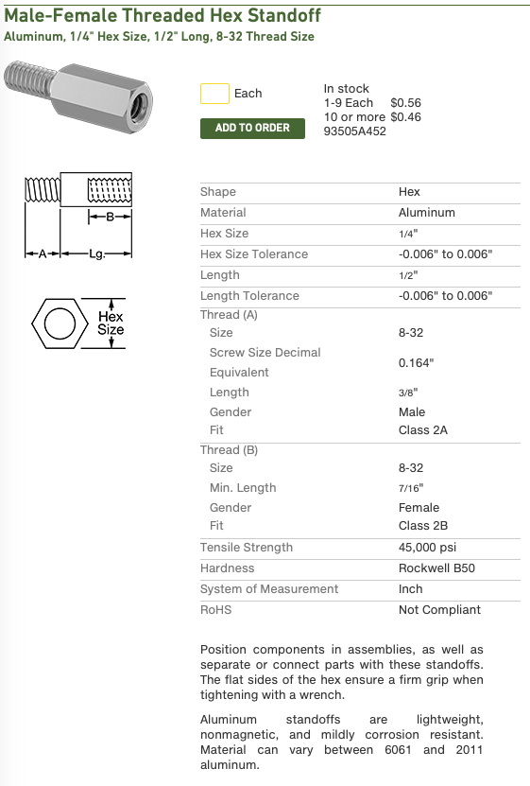
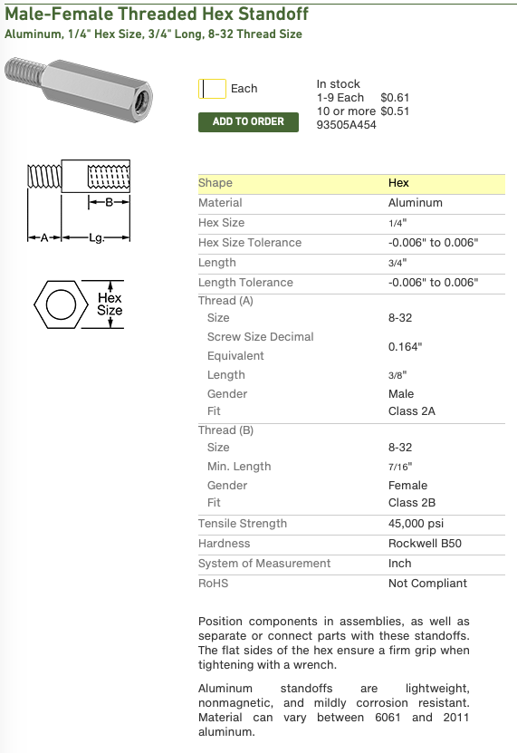
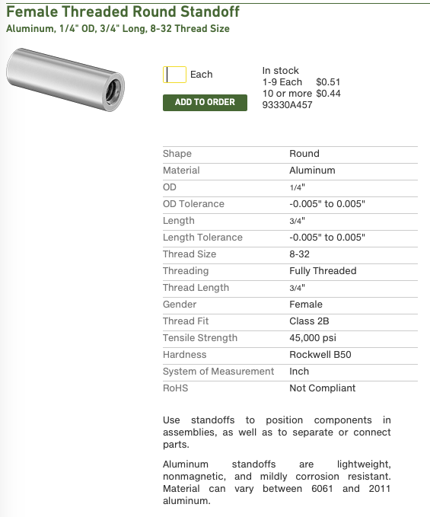
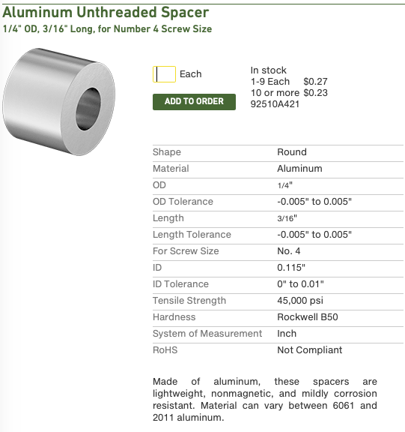
ITOTA L: $575.77 1

